Sheet2
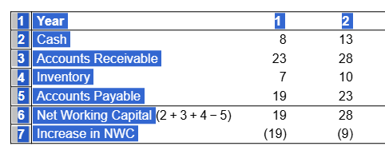

Year | 1 | 2 | 3 | 4 | 5
Cash | 7 | 10 | 15 | 16 | 16
Accounts Receivable | 18 | 26 | 23 | 25 | 23
Inventory | 4 | 9 | 10 | 13 | 16
Accounts Payable | 18 | 19 | 24 | 26 | 32
Net Working Capital | 11 | 26 | 24 | 28 | 23
Increase in NWC | -11 | -15 | 2 | -4 | 5

Sheet4
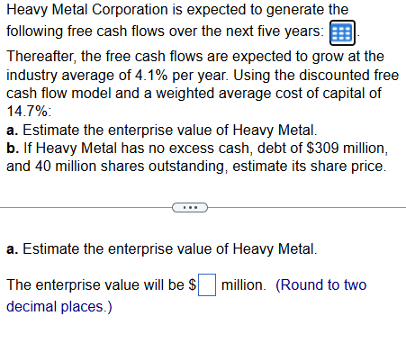
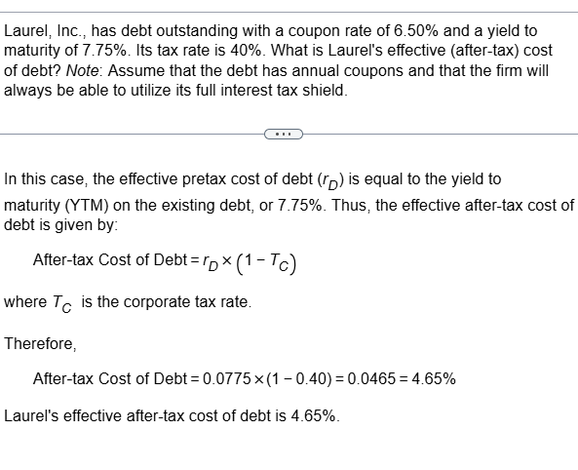
0.117329

 | 0.0522
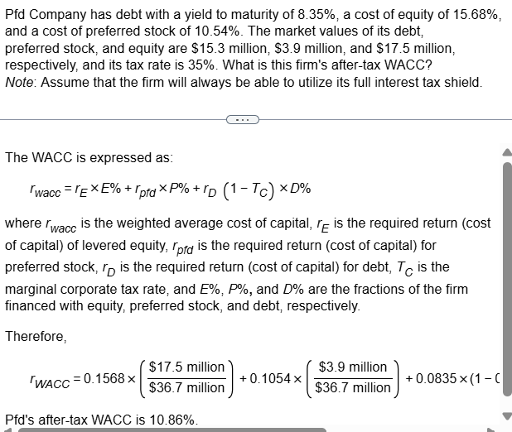

 | 0.10782501767
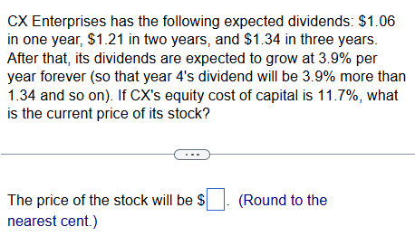
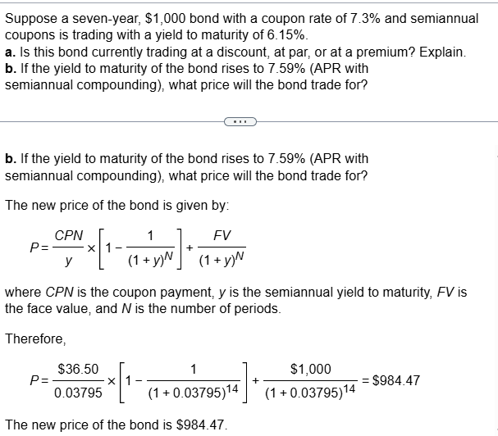

 |  |  |  |  |  |  | PV3 | 17.849487179
 |  |  |  |  |  |  | P0 | 15.687811389

Year | 1 | 2 | 3 | 4 | 5
FCF ($ million) | 52.8 | 69.4 | 78.9 | 73.7 | 81.5 | 275.02M

